Help
How To activate API
1 | Register to website for free account | https://pro.coinmarketcap.com/account
2 | Activate your account by verifying your email id
3 | Now login & check your account page
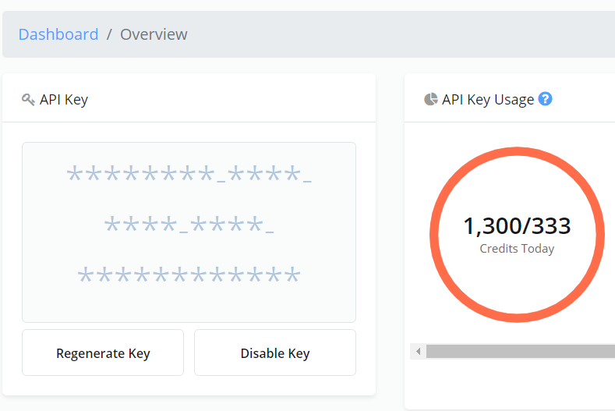
4 | Copy Your API Key

5 |  Paste your api key on conf tab of this sheet

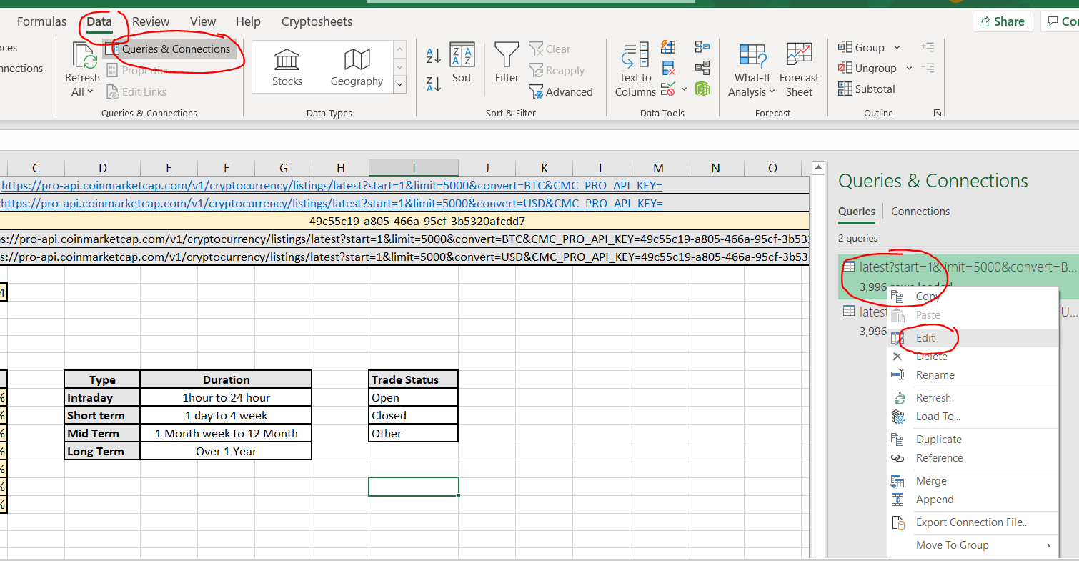
6 | Again copy your api Key on your clipboard and go to Data >Queries & Connection > Right click on 1st query and click edit

7 | Now once query editor window open click "Data Source settings" then select url and click change soruce and place your api key in the highlited part of text box in screenshot and click ok.
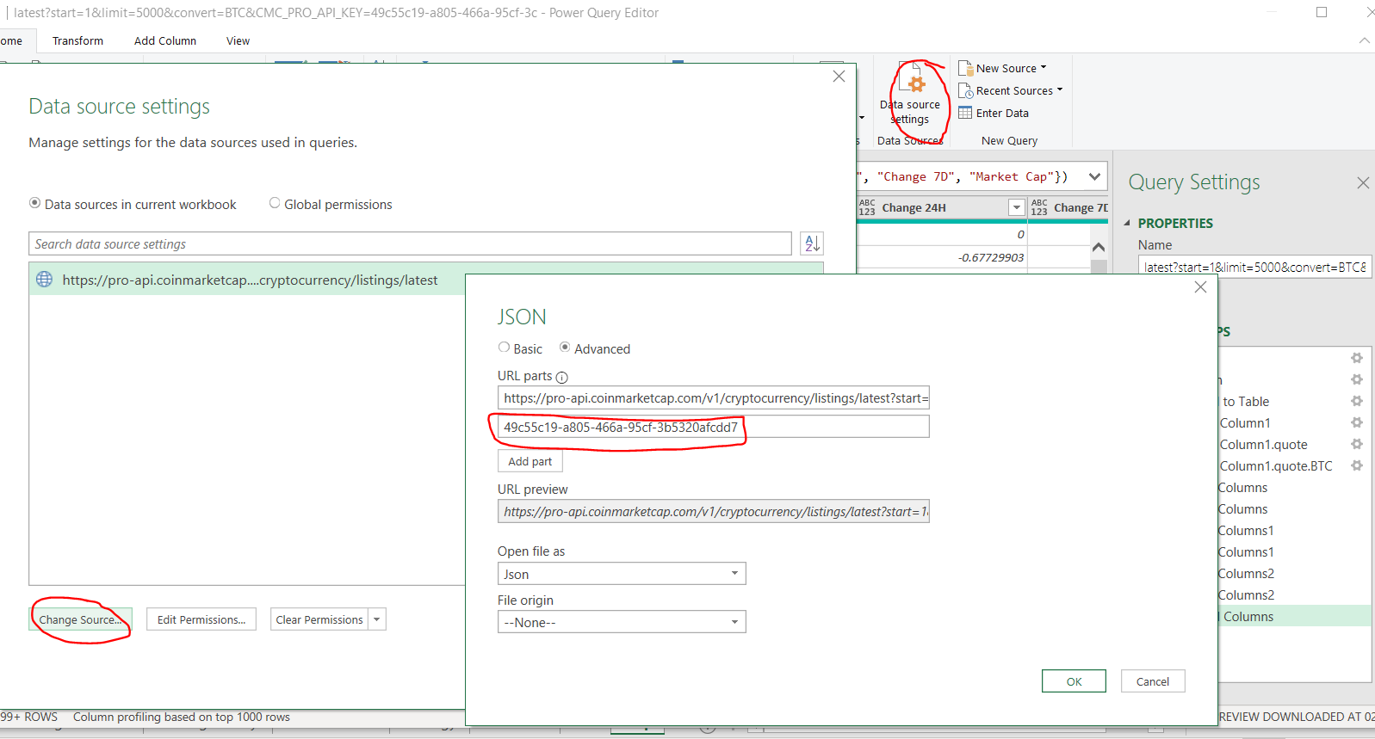

8 | Now repeat same step for 2nd query as shown in step 6

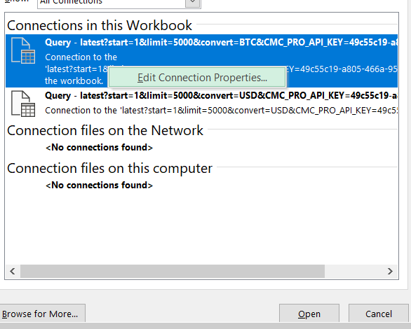
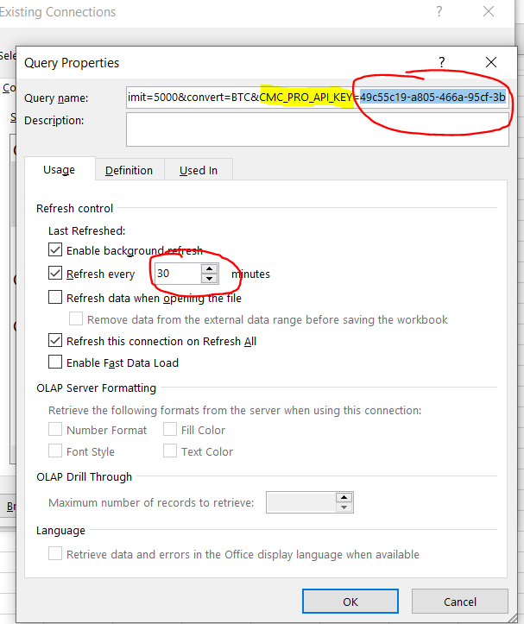
9 | By default after every 30 minutes data will automatically refereshed you can change it but keep remember your free account have limit to access api call. So keep it same to get benefit freely

10 | You can refresh whole data any time manually by clicking Data > Refresh All to update price & sync the current price from internet

